Sheet4
 | 3 | 5 | 7 | 9 | 11
-150 |  | 0.16 | 0.25 | 0.06 | 0.04
-125 |  | 3.10 | 7.06 | 6.71 | 5.33
-100 |  | 5.72 | 7.01 | 5.89 | 5.30
-75 | 4.87 | 6.53 | 7.13 | 7.19 | 6.38
-50 | 5.96 | 6.98 | 7.01 | 7.73 | 6.84
Sum of cpr | Column Labels
Row Labels | 3 | 5 | 7 | 9 | 11
-150 |  | 0.16 | 0.25 | 0.06 | 0.04
-125 |  | 3.10 | 7.06 | 6.71 | 5.33
-100 |  | 5.72 | 7.01 | 5.89 | 5.30
-75 | 4.87 | 6.53 | 7.13 | 7.19 | 6.38
-50 | 5.96 | 6.98 | 7.01 | 7.73 | 6.84

Sum of bal | Column Labels
Row Labels | 3 | 5 | 7 | 9 | 11 | Grand Total
-200 | 0% | 0% | 0% | 0% | 0% | 0%
-175 | 0% | 0% | 0% | 0% | 0% | 0%
-150 | 0% | 0% | 0% | 0% | 0% | 0%
-125 | 0% | 0% | 0% | 0% | 0% | 0%
-100 | 0% | 1% | 1% | 1% | 1% | 3%
-75 | 1% | 6% | 4% | 3% | 6% | 21%
-50 | 6% | 20% | 13% | 12% | 25% | 76%
Grand Total | 8% | 27% | 17% | 16% | 32% | 100%

Sum of hpa_ | Column Labels
Row Labels | 3 | 5 | 7 | 9 | 11
-150 | 1.43 | 4.27 | 5.69 | 8.27 | 9.42
-125 | 1.75 | 4.03 | 5.75 | 8.13 | 9.43
-100 | 1.96 | 3.93 | 5.66 | 8.08 | 9.50
-75 | 2.17 | 3.92 | 5.66 | 8.08 | 9.60
-50 | 2.18 | 3.90 | 5.69 | 8.04 | 9.77

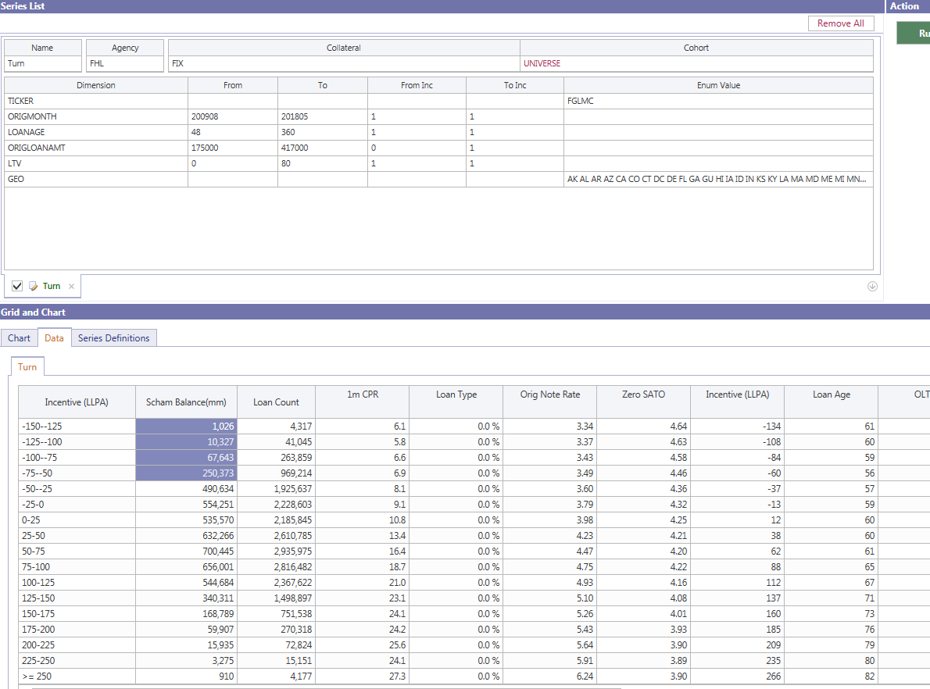

and calcOrigMonth_LL >= 200907 and calcOrigMonth_LL <= 201805
and cl.origLTV >= 0 and cl.origLTV<=80
and clh.loanAge >= 48
and refi_incentive <= -50
and originalLoanAmount > 175000 and originalLoanAmount <= 417000
and cl.state not in ('NY','IL')

